WQV
Water Quality Volume (WQV) Example Problem |  |  |  |  | Comments:

 | Given : | For a project determined to be Redevelopment, retain and treat |  |  | Typically WQV will be calculated for "the Site"
 |  | 1/2 of the WQV. The site has been determined to have three |  |  | You will be asked to retain/treat 1/2 the WQV or the full WQV
 |  | subcatchment drainage areas. |  |  | (remember to choose "the Site" carefully)

 | Find : | 1/2 the Water Quality Volume for the Site

PROJECT |  |  |  | PREPARED BY
DATE |  |  |  | CHECKED BY
SUBJECT

DRAINAGE AREAS
 | Drainage Area | Impervious Area | Grass Area | Wooded Area
 | Subcatchment-1 | 0.70 | 0.40 | 0.30
 | Subcatchment-2 | 0.80 | 1.20 | 0.40
 | Subcatchment-3 | 0.60 | 0.40 | 0.30
 |  | 2.10 | 2.00 | 1.00
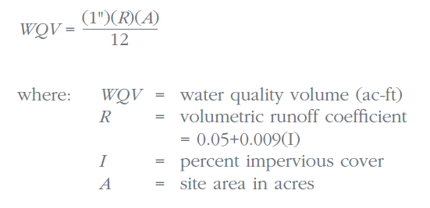
WATER QUALITY VOLUME (WQV) CALCULATION
 |  | Area (A) = | 5.10 | acres
 |  | Area (A) = | 0.00797 | square miles
 |  | Design Precipitation (P) = | 1 | inch
 |  | % Impervious Cover (I) = | 41
 |  | Volumetric Runoff Coefficient (R) = | 0.421

 |  | WQV = | 0.179 | ac-ft

 |  | 1/2 WQV= | 0.089 | ac-ft
 |  | = | 3893 | cu-ft

WQF
Water Quality Flow (WQF) Example Problem |  |  |  |  | Comments:

 | Given : | A 3 CB drainage network with Areas as Shown Below
 |  | The outlet of the system flows to a Flow Diversion Structure
 |  | The Water Quality Flow of the network will be diverted to treatment
 |  | Network Time of Concentration computed in drainage design.

 | Find : | The Water Quality Flow to be diverted to the Treatment Device

PROJECT |  |  |  | PREPARED BY
DATE |  |  |  | CHECKED BY
SUBJECT
 |  |  |  |  | For this situation, you need to still calculate a WQV,
SUBCATCHMENT AREAS |  |  |  |  | then the WQF.
 | Inlet ID | Impervious Area | Grass Area | Wooded Area
 | CB-1 | 0.30 | 0.60 | 0.30
 | CB-2 | 0.30 | 0.90 | 0.50
 | CB-3 | 0.20 | 0.40 | 0.50
 |  | 0.80 | 1.90 | 1.30

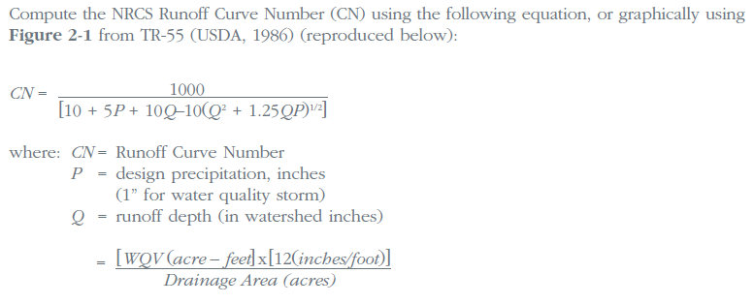
WATER QUALITY VOLUME (WQV) CALCULATION
 |  | Area (A) = | 4.00 | acres | This the total catchment area of the Stormwater Treatment Measure
 |  | Area (A) = | 0.00625 | square miles
 |  | Design Precipitation (P) = | 1 | inch
 |  | % Impervious Cover (I) = | 20
 |  | Volumetric Runoff Coefficient (R) = | 0.230

 |  | WQV = | 0.077 | ac-ft

WATER QUALITY FLOW (WQF) CALCULATION |  |  |  |  | * Note:
RUNOFF CURVE NUMBER (CN) |  |  |  |  | This method of determining CN is empirical and yields
 |  | Runoff Depth (Q) = | 0.230 | inches | very conservative results for WQF. It is recommended that CN
 |  | CN = | 87 | Figure 2-1 (SWQM) | is determined using standard SCS TR-55 methodology
 |  |  |  |  | (based on land use,cover and soil type.)
TIME OF CONCENTRATION (Tc), 10 minute minimum
 |  | Tc = | 20 | min | From Drainage Calculations, 10 minute minimum
 |  | Tc = | 0.33 | hours

 |  | Initial Abstraction (Ia) = | 0.299 | Table 4-1 (SWQM)
 |  | Ia/P Calculation = | 0.299 |  | Tables are in Appendix B of the 2004 Stormwater Quality Manual
 |  | Unit Peak Discharge (qu) = | 410 | Exhibit 4-111 (SWQM)

 |  | WQF = | 0.59 | cfs

Figure 2-1
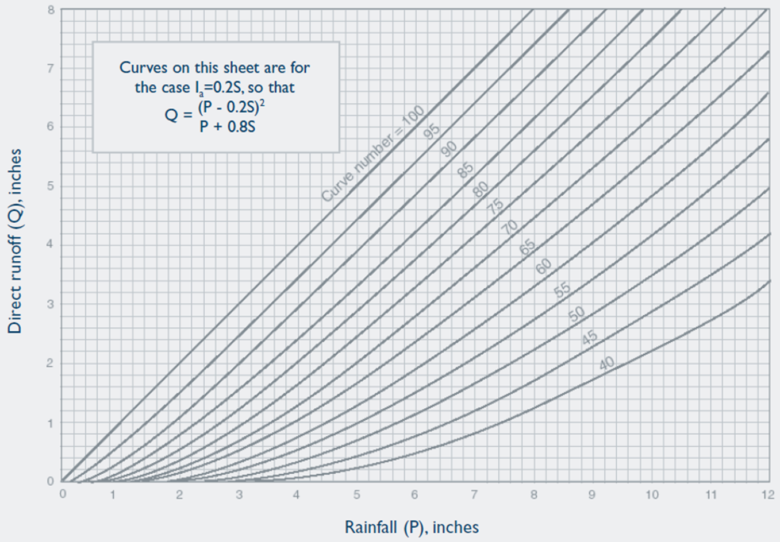

Table 4-1
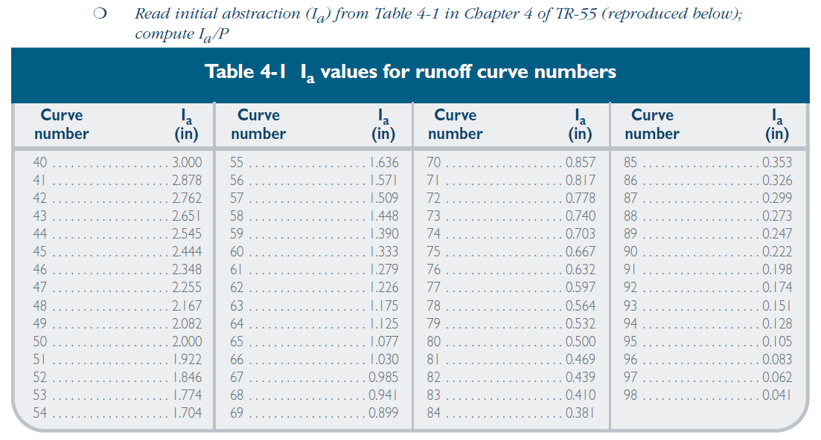

Exhibit 4-111
