Instructions for the ISP Form
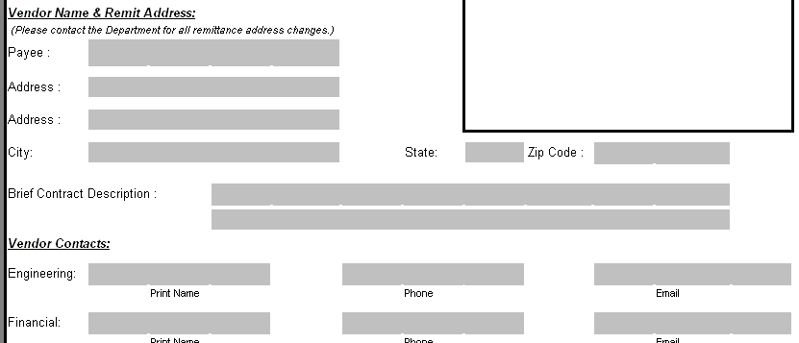
Instruction Guide for Completing the Invoice Summary and Processing (ISP) Form

Section 1 – Contract ID
The CORE ID entry is very important because it will provide us the information required to properly direct your invoice.

The CORE ID is located in the upper right hand corner of the front sheet on Department contracts signed after July 1, 2007.
It is usually 11 characters long, beginning with 2 digits followed by "DOT" then a sequence of numbers and letters.
Contracts completed prior to that date will contain only an Agreement or Identification number.
If your contract does not contain a CORE ID, please use the Agreement or Identification number and we will email the CORE ID to you for use on future invoices.
Examples of contracts with and without CORE ID's follow:
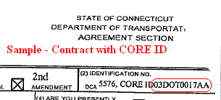
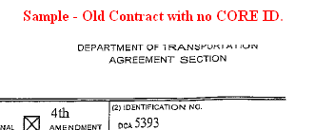

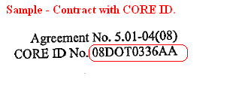

Section 1 – Vendor Name & Remit Address and Vendor Contacts
This section can be completed once at the beginning of each contract and generally used for the life of the contract unless changes are required to the vendor contacts section.

Section 1 – Vendor Invoice Information
This section should contain information that is specific to the invoice being submitted, and is generally the only information that needs to be updated with each invoice. Please be sure to have the appropriate individual sign the certification.

Section 2
All information contained in section 2 will be completed by DOT and should not contain any entries by the vendor.

