readme
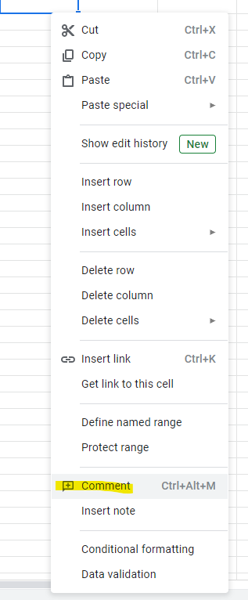
This is a draft schema for a proposed statewide CAMA report standard. OPM and COG partners collect parcel and CAMA data annually. This schema is an effort to facilitate that data collection. The desired outcome of the schema is to provide an easier process for assessors, and a robust dataset for state and regional planners. The fields selected for this report are intended to be a wide collection, so that the data can serve a multitude of purposes. Any field highlighted is a new addition to the schema. Please provide your comments directly in this document using the comment feature. We are interested to know if we selected fields that may be problematic, if we're missing important data fields, and general comments. To add a comment, Right click a cell >> select add comment >> Type Comment. Good luck and we look forward to your comments. If by chance that process is giving you trouble you may also send comments via email. Send comments to

